Sheet1 (3)
 |  | West
 |  | 0 | 1 | 2 | 3 |  | 0 | 1 | 2 | 3
Bris | 0 | 0.05653555 | 0.06855468 | 0.0415645 | 0.01680029 | 0 | 0.068965517241 | 0.074074074074 | 0.054054054054 | 0.02380952381 | -18% | -7% | -23% | -29%
 | 1 | 0.0938655 | 0.11382075 | 0.06900918 | 0.02789338 | 1 | 0.086956521739 | 0.13157894737 | 0.086956521739 | 0.038461538462 | 8% | -13% | -21% | -27%
 | 2 | 0.07792204 | 0.09448781 | 0.05728768 | 0.02315557 | 2 | 0.0625 | 0.095238095238 | 0.068965517241 | 0.03125 | 25% | -1% | -17% | -26%
 | 3 | 0.04312444 | 0.05229243 | 0.03170475 | 0.012815 | 3 | 0.029411764706 | 0.04347826087 | 0.033333333333 | 0.016666666667 | 47% | 20% | -5% | -23%

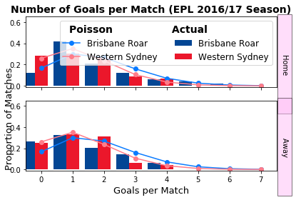
 |  | Home | draw | away |  |  | 0.21739130435
 | betfair | 0.3937007874 | 0.27027027027 | 0.345 | 1.0087986439
 | model | 0.47846 | 0.2422 | 0.27934
 |  | 22% | -10% | -19%

 |  | 0.74 | 0.1605 | 0.0995

0.05653555 | 0.06855468 | 0.0415645 | 0.01680029 |  |  |  |  |  |  |  | -18% | -7% | -23% | -29%
0.0938655 | 0.11382075 | 0.06900918 | 0.02789338 |  |  |  |  |  |  |  | 8% | -13% | -21% | -27%
0.07792204 | 0.09448781 | 0.05728768 | 0.02315557 |  |  |  |  |  |  |  | 25% | -1% | -17% | -26%
0.04312444 | 0.05229243 | 0.03170475 | 0.012815 |  |  |  |  |  |  |  | 47% | 20% | -5% | -23%

Sheet1 (4)
 |  | Ada
 |  | 0 | 1 | 2 | 3 |  | 0 | 1 | 2 | 3
Perth | 0 | 0.04713982 | 0.06742734 | 0.04822299 | 0.02299223 | 0 | 0.0625 | 0.071428571429 | 0.05 | 0.02380952381 | -25% | -6% | -4% | -3%
 | 1 | 0.0765677 | 0.10952008 | 0.07832707 | 0.03734554 | 1 | 0.086956521739 | 0.12820512821 | 0.083333333333 | 0.037037037037 | -12% | -15% | -6% | 1%
 | 2 | 0.06218324 | 0.08894499 | 0.06361208 | 0.03032959 | 2 | 0.066666666667 | 0.095238095238 | 0.068965517241 | 0.03125 | -7% | -7% | -8% | -3%
 | 3 | 0.03366742 | 0.04815683 | 0.03444102 | 0.01642113 | 3 | 0.033333333333 | 0.047619047619 | 0.034482758621 | 0.016666666667 | 1% | 1% | 0% | -1%

 |  | Home | draw | away |  |  | 0.21739130435
 | betfair | 0.42016806723 | 0.27027027027 | 0.328 | 1.01830719
 | model | 0.42257 | 0.23931 | 0.33812
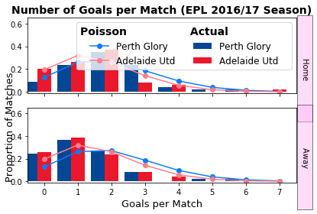
 |  | 1% | -11% | 3%

 |  | 0.74 | 0.1605 | 0.0995

0.04713982 | 0.06742734 | 0.04822299 | 0.02299223 |  |  |  |  |  |  |  | -25% | -6% | -4% | -3%
0.0765677 | 0.10952008 | 0.07832707 | 0.03734554 |  |  |  |  |  |  |  | -12% | -15% | -6% | 1%
0.06218324 | 0.08894499 | 0.06361208 | 0.03032959 |  |  |  |  |  |  |  | -7% | -7% | -8% | -3%
0.03366742 | 0.04815683 | 0.03444102 | 0.01642113 |  |  |  |  |  |  |  | 1% | 1% | 0% | -1%

Sheet1 (5)
 |  | Wellington
 |  | 0 | 1 | 2 | 3 |  | 0 | 1 | 2 | 3
Mel city | 0 | 0.02489358 | 0.01982211 | 0.00789191 | 0.00209471 | 0 | 0.052631578947 | 0.04347826087 | 0.020833333333 | 0.12820512821 | -53% | -54% | -62% | -98%
 | 1 | 0.07211351 | 0.0574221 | 0.02286186 | 0.0060681 | 1 | 0.11111111111 | 0.10869565217 | 0.051282051282 | 0.016666666667 | -35% | -47% | -55% | -64%
 | 2 | 0.10445177 | 0.08317222 | 0.03311394 | 0.00878925 | 2 | 0.10416666667 | 0.125 | 0.068965517241 | 0.020833333333 | 0% | -33% | -52% | -58%
 | 3 | 0.10086112 | 0.08031307 | 0.0319756 | 0.00848711 | 3 | 0.1724137931 | 0.076923076923 | 0.047619047619 | 0.018181818182 | -42% | 4% | -33% | -53%

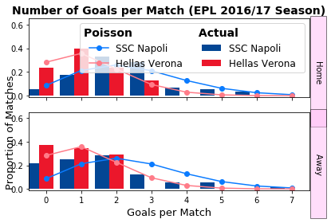
 |  | Home | draw | away |  |  | 0.21739130435
 | betfair | 0.62893081761 | 0.23255813953 | 0.161 | 1.0227792797
 | model | 0.54038 | 0.20838 | 0.25124
 |  | -14% | -10% | 56%

 |  | 0.74 | 0.1605 | 0.0995

0.02489358 | 0.01982211 | 0.00789191 | 0.00209471 |  |  |  |  |  |  |  | -53% | -54% | -62% | -98%
0.07211351 | 0.0574221 | 0.02286186 | 0.0060681 |  |  |  |  |  |  |  | -35% | -47% | -55% | -64%
0.10445177 | 0.08317222 | 0.03311394 | 0.00878925 |  |  |  |  |  |  |  | 0% | -33% | -52% | -58%
0.10086112 | 0.08031307 | 0.0319756 | 0.00848711 |  |  |  |  |  |  |  | -42% | 4% | -33% | -53%

 |  |  |  | 0.029411764706

Sheet1 (6)
 |  | Verona
 |  | 0 | 1 | 2 | 3 |  | 0 | 1 | 2 | 3
napoli | 0 | 0.02489358 | 0.01982211 | 0.00789191 | 0.00209471 | 0 | 0.020833333333 | 0.0090909090909 | 0.0027027027027 | 0.0010101010101 | 19% | 118% | 192% | 107%
 | 1 | 0.07211351 | 0.0574221 | 0.02286186 | 0.0060681 | 1 | 0.068965517241 | 0.037037037037 | 0.010526315789 | 0.0021276595745 | 5% | 55% | 117% | 185%
 | 2 | 0.10445177 | 0.08317222 | 0.03311394 | 0.00878925 | 2 | 0.10638297872 | 0.064516129032 | 0.021739130435 | 0.0041666666667 | -2% | 29% | 52% | 111%
 | 3 | 0.10086112 | 0.08031307 | 0.0319756 | 0.00848711 | 3 | 0.125 | 0.08 | 0.025 | 0.0058823529412 | -19% | 0% | 28% | 44%

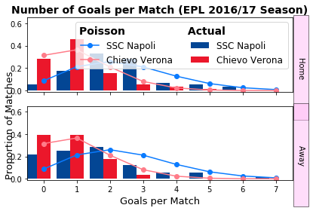
 |  | Home | draw | away |  |  | 0.21739130435
 | betfair | 0.89285714286 | 0.08 | 0.029 | 1.0022689076
 | model | 0.80076 | 0.1252 | 0.07404
 |  | -10% | 57% | 152%

 |  | 0.74 | 0.1605 | 0.0995

0.02489358 | 0.01982211 | 0.00789191 | 0.00209471 |  |  |  |  |  |  |  | 19% | 118% | 192% | 107%
0.07211351 | 0.0574221 | 0.02286186 | 0.0060681 |  |  |  |  |  |  |  | 5% | 55% | 117% | 185%
0.10445177 | 0.08317222 | 0.03311394 | 0.00878925 |  |  |  |  |  |  |  | -2% | 29% | 52% | 111%
0.10086112 | 0.08031307 | 0.0319756 | 0.00848711 |  |  |  |  |  |  |  | -19% | 0% | 28% | 44%

Sheet1 (7)
 |  | Udinese
 |  | 0 | 1 | 2 | 3 |  | 0 | 1 | 2 | 3 |  | 0 | 1
Chievo | 0 | 0.12121848 | 0.10833372 | 0.04840927 | 0.01442122 | 0 | 0.090909090909 | 0.10204081633 | 0.066666666667 | 0.033333333333 | 0 | 33% | 6% | -27% | -57%
 | 1 | 0.14745676 | 0.13178303 | 0.05888766 | 0.01754276 | 1 | 0.090909090909 | 0.13888888889 | 0.090909090909 | 0.038461538462 | 1 | 62% | -5% | -35% | -54%
 | 2 | 0.08968721 | 0.08015403 | 0.03581708 | 0.01066998 | 2 | 0.051282051282 | 0.076923076923 | 0.060606060606 | 0.026315789474 | 2 | 75% | 4% | -41% | -59%
 | 3 | 0.0363668 | 0.03250124 | 0.01452328 | 0.00432652 | 3 | 0.020833333333 | 0.029411764706 | 0.025 | 0.013333333333 | 3 | 75% | 11% | -42% | -68%

 |  | Home | draw | away |  |  | 0.21739130435
 | betfair | 0.3125 | 0.29850746269 | 0.394 | 1.0047082501
 | model | 0.4355 | 0.29345 | 0.27105
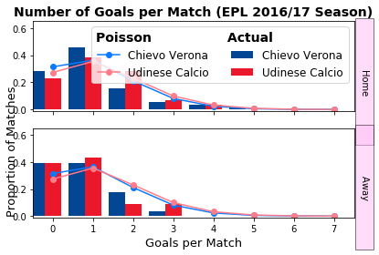
 |  | 39% | -2% | -31%

 |  | 0.74 | 0.1605 | 0.0995

0.12121848 | 0.10833372 | 0.04840927 | 0.01442122 |  |  |  |  |  |  |  |  | 33% | 6% | -27% | -57%
0.14745676 | 0.13178303 | 0.05888766 | 0.01754276 |  |  |  |  |  |  |  |  | 62% | -5% | -35% | -54%
0.08968721 | 0.08015403 | 0.03581708 | 0.01066998 |  |  |  |  |  |  |  |  | 75% | 4% | -41% | -59%
0.0363668 | 0.03250124 | 0.01452328 | 0.00432652 |  |  |  |  |  |  |  |  | 75% | 11% | -42% | -68%

Sheet1 (8)
 |  | Bologna
 |  | 0 | 1 | 2 | 3 |  | 0 | 1 | 2 | 3 |  | 0 | 1
Torino | 0 | 0.08034398 | 0.07189883 | 0.03217068 | 0.00959638 | 0 | 0.076923076923 | 0.066666666667 | 0.038461538462 | 0.014285714286 | 0 | 4% | 8% | -16% | -33%
 | 1 | 0.13068354 | 0.11694708 | 0.05232724 | 0.015609 | 1 | 0.10638297872 | 0.13157894737 | 0.066666666667 | 0.022727272727 | 1 | 23% | -11% | -22% | -31%
 | 2 | 0.1062817 | 0.09511017 | 0.04255645 | 0.01269441 | 2 | 0.086956521739 | 0.10638297872 | 0.057142857143 | 0.02 | 2 | 22% | -11% | -26% | -37%
 | 3 | 0.05762419 | 0.05156717 | 0.02307341 | 0.0068827 | 3 | 0.04347826087 | 0.051282051282 | 0.029411764706 | 0.011111111111 | 3 | 33% | 1% | -22% | -38%

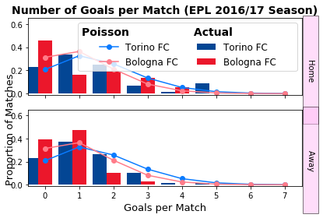
 |  | Home | draw | away |  |  | 0.21739130435
 | betfair | 0.48076923077 | 0.27777777778 | 0.244 | 1.0024494476
 | model | 0.546052 | 0.2473943 | 0.2065537
 |  | 14% | -11% | -15%

 |  | 0.74 | 0.1605 | 0.0995

0.08034398 | 0.07189883 | 0.03217068 | 0.00959638 |  |  |  |  |  |  |  |  | 4% | 8% | -16% | -33%
0.13068354 | 0.11694708 | 0.05232724 | 0.015609 |  |  |  |  |  |  |  |  | 23% | -11% | -22% | -31%
0.1062817 | 0.09511017 | 0.04255645 | 0.01269441 |  |  |  |  |  |  |  |  | 22% | -11% | -26% | -37%
0.05762419 | 0.05156717 | 0.02307341 | 0.0068827 |  |  |  |  |  |  |  |  | 33% | 1% | -22% | -38%

Sheet1 (9)
 |  | Crotone
 |  | 0 | 1 | 2 | 3 |  | 0 | 1 | 2 | 3 |  | 0 | 1
AC milan | 0 | 0.08784277 | 0.05760489 | 0.01888786 | 0.00412871 | 0 | 0.051282051282 | 0.027777777778 | 0.01 | 0.0021276595745 | 0 | 71% | 107% | 89% | 94%
 | 1 | 0.15604689 | 0.10233129 | 0.03355304 | 0.00733439 | 1 | 0.125 | 0.083333333333 | 0.025 | 0.005 | 1 | 25% | 23% | 34% | 47%
 | 2 | 0.1386035 | 0.0908924 | 0.02980238 | 0.00651453 | 2 | 0.15151515152 | 0.10204081633 | 0.03125 | 0.0066666666667 | 2 | -9% | -11% | -5% | -2%
 | 3 | 0.08207333 | 0.05382145 | 0.01764732 | 0.00385754 | 3 | 0.10416666667 | 0.076923076923 | 0.026315789474 | 0.0058823529412 | 3 | -21% | -30% | -33% | -34%

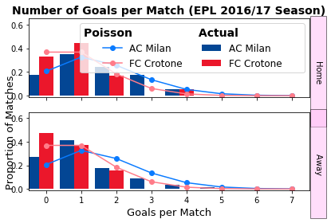
 |  | Home | draw | away |  |  | 0.21739130435
 | betfair | 0.76335877863 | 0.16666666667 | 0.077 | 1.0069485222
 | model | 0.64369 | 0.224128 | 0.132182
 |  | -16% | 34% | 72%

 |  | 0.74 | 0.1605 | 0.0995

0.08784277 | 0.05760489 | 0.01888786 | 0.00412871 |  |  |  |  |  |  |  |  | 71% | 107% | 89% | 94%
0.15604689 | 0.10233129 | 0.03355304 | 0.00733439 |  |  |  |  |  |  |  |  | 25% | 23% | 34% | 47%
0.1386035 | 0.0908924 | 0.02980238 | 0.00651453 |  |  |  |  |  |  |  |  | -9% | -11% | -5% | -2%
0.08207333 | 0.05382145 | 0.01764732 | 0.00385754 |  |  |  |  |  |  |  |  | -21% | -30% | -33% | -34%

Sheet1 (10)
 |  | Real Sociedad
 |  | 0 | 1 | 2 | 3 |  | 0 | 1 | 2 | 3 |  | 0 | 1
Leganes | 0 | 0.11426907 | 0.12640878 | 0.06991909 | 0.02578238 | 0 | 0.1 | 0.11627906977 | 0.071428571429 | 0.03125 | 0 | 14% | 9% | -2% | -17%
 | 1 | 0.12146361 | 0.13436766 | 0.0743213 | 0.02740568 | 1 | 0.10204081633 | 0.14285714286 | 0.086956521739 | 0.035714285714 | 1 | 19% | -6% | -15% | -23%
 | 2 | 0.06455557 | 0.07141382 | 0.03950034 | 0.01456559 | 2 | 0.052631578947 | 0.074074074074 | 0.051282051282 | 0.021739130435 | 2 | 23% | -4% | -23% | -33%
 | 3 | 0.02287336 | 0.02530338 | 0.01399578 | 0.00516089 | 3 | 0.02 | 0.026315789474 | 0.02 | 0.0083333333333 | 3 | 14% | -4% | -30% | -38%

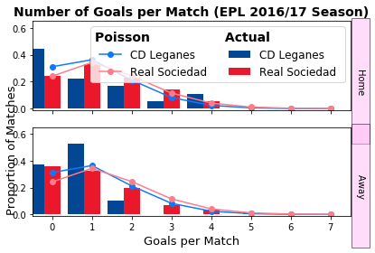
 |  | Home | draw | away |  |  | 0.21739130435
 | betfair | 0.3125 | 0.30303030303 | 0.394 | 1.0092310904
 | model | 0.342195 | 0.293695 | 0.36411
 |  | 10% | -3% | -8%

 |  | 0.74 | 0.1605 | 0.0995

0.11426907 | 0.12640878 | 0.06991909 | 0.02578238 |  |  |  |  |  |  |  |  | 14% | 9% | -2% | -17%
0.12146361 | 0.13436766 | 0.0743213 | 0.02740568 |  |  |  |  |  |  |  |  | 19% | -6% | -15% | -23%
0.06455557 | 0.07141382 | 0.03950034 | 0.01456559 |  |  |  |  |  |  |  |  | 23% | -4% | -23% | -33%
0.02287336 | 0.02530338 | 0.01399578 | 0.00516089 |  |  |  |  |  |  |  |  | 14% | -4% | -30% | -38%

Sheet1 (11)
 |  | Levante
 |  | 0 | 1 | 2 | 3 |  | 0 | 1 | 2 | 3 |  | 0 | 1
Barcelona | 0 | 0.00841155 | 0.00385537 | 0.00088354 | 0.00013499 | 0 | 0.011764705882 | 0.0071428571429 | 0.0021739130435 | 0.001 | 0 | -29% | -46% | -59% | -87%
 | 1 | 0.03633627 | 0.01665445 | 0.00381672 | 0.00058312 | 1 | 0.047619047619 | 0.02380952381 | 0.0076923076923 | 0.0016666666667 | 1 | -24% | -30% | -50% | -65%
 | 2 | 0.07848285 | 0.035972 | 0.00824374 | 0.00125948 | 2 | 0.086956521739 | 1.23 | 1.7 | 0.0035714285714 | 2 | -10% | -97% | -100% | -65%
 | 3 | 0.11301026 | 0.05179737 | 0.01187046 | 0.00181358 | 3 | 0.12195121951 | 0.058823529412 | 0.02 | 0.0045454545455 | 3 | -7% | -12% | -41% | -60%

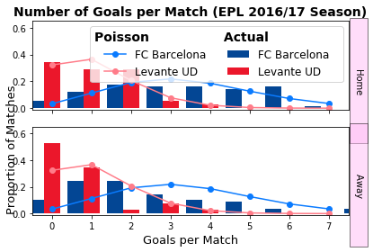
 |  | Home | draw | away |  |  | 0.21739130435
 | betfair | 0.92592592593 | 0.052631578947 | 0.023 | 1.0012847776
 | model | 0.9486 | 0.035 | 0.0164
 |  | 2% | -33% | -28%

 |  | 0.74 | 0.1605 | 0.0995

0.00841155 | 0.00385537 | 0.00088354 | 0.00013499 |  |  |  |  |  |  |  |  | -29% | -46% | -59% | -87%
0.03633627 | 0.01665445 | 0.00381672 | 0.00058312 |  |  |  |  |  |  |  |  | -24% | -30% | -50% | -65%
0.07848285 | 0.035972 | 0.00824374 | 0.00125948 |  |  |  |  |  |  |  |  | -10% | -97% | -100% | -65%
0.11301026 | 0.05179737 | 0.01187046 | 0.00181358 |  |  |  |  |  |  |  |  | -7% | -12% | -41% | -60%

Sheet1 (12)
 |  | Alaves
 |  | 0 | 1 | 2 | 3 |  | 0 | 1 | 2 | 3 |  | 0 | 1
Athetic | 0 | 0.14097273 | 0.10417192 | 0.03848896 | 0.00948048 | 0 | 0.090909090909 | 0.058823529412 | 0.02380952381 | 0.00625 | 0 | 55% | 77% | 62% | 52%
 | 1 | 0.17202028 | 0.12711453 | 0.04696569 | 0.01156845 | 1 | 0.14285714286 | 0.12195121951 | 0.045454545455 | 0.011764705882 | 1 | 20% | 4% | 3% | -2%
 | 2 | 0.10495284 | 0.07755499 | 0.02865466 | 0.00705813 | 2 | 0.11764705882 | 0.1 | 0.04347826087 | 0.010526315789 | 2 | -11% | -22% | -34% | -33%
 | 3 | 0.04268915 | 0.03154518 | 0.01165517 | 0.00287087 | 3 | 0.066666666667 | 0.057142857143 | 0.02380952381 | 0.0071428571429 | 3 | -36% | -45% | -51% | -60%

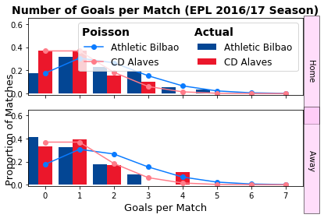
 |  | Home | draw | away |  |  | 0.21739130435
 | betfair | 0.58139534884 | 0.26315789474 | 0.161 | 1.0058435662
 | model | 0.47577 | 0.29978 | 0.22445
 |  | -18% | 14% | 39%

 |  | 0.74 | 0.1605 | 0.0995

0.14097273 | 0.10417192 | 0.03848896 | 0.00948048 |  |  |  |  |  |  |  |  | 55% | 77% | 62% | 52%
0.17202028 | 0.12711453 | 0.04696569 | 0.01156845 |  |  |  |  |  |  |  |  | 20% | 4% | 3% | -2%
0.10495284 | 0.07755499 | 0.02865466 | 0.00705813 |  |  |  |  |  |  |  |  | -11% | -22% | -34% | -33%
0.04268915 | 0.03154518 | 0.01165517 | 0.00287087 |  |  |  |  |  |  |  |  | -36% | -45% | -51% | -60%

Sheet1 (13)
 |  | Deportivo
 |  | 0 | 1 | 2 | 3 |  | 0 | 1 | 2 | 3 |  | 0 | 1
Villarreal | 0 | 0.10286989 | 0.06199192 | 0.01867893 | 0.00375213 | 0 | 0.0625 | 0.047619047619 | 0.021739130435 | 0.0071428571429 | 0 | 65% | 30% | -14% | -47%
 | 1 | 0.17196407 | 0.10362977 | 0.03122492 | 0.0062723 | 1 | 0.11363636364 | 0.10869565217 | 0.045454545455 | 0.014285714286 | 1 | 51% | -5% | -31% | -56%
 | 2 | 0.14373322 | 0.08661717 | 0.02609882 | 0.0052426 | 2 | 0.10638297872 | 0.10638297872 | 0.051282051282 | 0.015384615385 | 2 | 35% | -19% | -49% | -66%
 | 3 | 0.0800913 | 0.04826498 | 0.01454283 | 0.00292129 | 3 | 0.066666666667 | 0.066666666667 | 0.033333333333 | 0.011111111111 | 3 | 20% | -28% | -56% | -74%

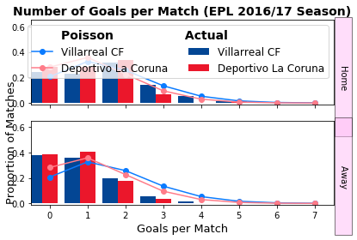
 |  | Home | draw | away |  |  | 0.21739130435
 | betfair | 0.60975609756 | 0.23255813953 | 0.233 | 1.0748723766
 | model | 0.63399 | 0.235711 | 0.130299
 |  | 4% | 1% | -44%

 |  | 0.74 | 0.1605 | 0.0995

0.10286989 | 0.06199192 | 0.01867893 | 0.00375213 |  |  |  |  |  |  |  |  | 65% | 30% | -14% | -47%
0.17196407 | 0.10362977 | 0.03122492 | 0.0062723 |  |  |  |  |  |  |  |  | 51% | -5% | -31% | -56%
0.14373322 | 0.08661717 | 0.02609882 | 0.0052426 |  |  |  |  |  |  |  |  | 35% | -19% | -49% | -66%
0.0800913 | 0.04826498 | 0.01454283 | 0.00292129 |  |  |  |  |  |  |  |  | 20% | -28% | -56% | -74%

Sheet1 (14)
 |  | Real Madrid
 |  | 0 | 1 | 2 | 3 |  | 0 | 1 | 2 | 3 |  | 0 | 1
Celta | 0 | 0.02175102 | 0.05768009 | 0.076479 | 0.06760321 | 0 | 0.029411764706 | 0.066666666667 | 0.083333333333 | 0.064516129032 | 0 | -26% | -13% | -8% | 5%
 | 1 | 0.02558487 | 0.06784683 | 0.08995926 | 0.079519 | 1 | 0.027777777778 | 0.083333333333 | 0.10204081633 | 0.0800 | 1 | -8% | -19% | -12% | -1%
 | 2 | 0.01504724 | 0.03990278 | 0.05290777 | 0.04676754 | 2 | 0.016666666667 | 0.045454545455 | 0.0625 | 0.0500 | 2 | -10% | -12% | -15% | -6%
 | 3 | 0.00589983 | 0.01564536 | 0.02074445 | 0.01833694 | 3 | 0.00625 | 0.016666666667 | 0.021739130435 | 0.020833333333 | 3 | -6% | -6% | -5% | -12%

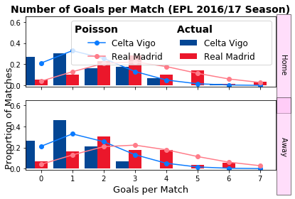
 |  | Home | draw | away |  |  | 0.21739130435
 | betfair | 0.15625 | 0.2 | 0.654 | 1.0098447712
 | model | 0.146981 | 0.1649 | 0.688119
 |  | -6% | -18% | 5%

 |  | 0.74 | 0.1605 | 0.0995

0.02175102 | 0.05768009 | 0.076479 | 0.06760321 |  |  |  |  |  |  |  |  | -26% | -13% | -8% | 5%
0.02558487 | 0.06784683 | 0.08995926 | 0.079519 |  |  |  |  |  |  |  |  | -8% | -19% | -12% | -1%
0.01504724 | 0.03990278 | 0.05290777 | 0.04676754 |  |  |  |  |  |  |  |  | -10% | -12% | -15% | -6%
0.00589983 | 0.01564536 | 0.02074445 | 0.01833694 |  |  |  |  |  |  |  |  | -6% | -6% | -5% | -12%

